Tabelle1
NTC Resistor

 | Constans:
 | B-Constant | 3977 |  | Temperature | Resistance
 | R at 25°C | 10000 |  | 0 | 33900.42085
 |  |  |  | 5 | 26093.920544
 |  |  |  | 10 | 20271.594559
 |  |  |  | 15 | 15886.99821
 |  |  |  | 20 | 12554.702527
 | Formulars: |  |  | 25 | 10000
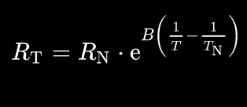
 |  |  |  | 30 | 8025.1451786
 |  |  |  | 35 | 6486.4408792
 |  |  |  | 40 | 5278.5200532
 |  |  |  | 45 | 4323.4540383
 |  |  |  | 50 | 3563.1319373
 |  |  |  | 55 | 2953.8792232
 |  |  |  | 60 | 2462.6238652
 | 0 °C + 273,15 = 273,15 K |  |  | 65 | 2064.1417436
 |  |  |  | 70 | 1739.0614028
 |  |  |  | 80 | 1252.5297956
 |  |  |  | 100 | 684.9387231
 |  |  |  | 150 | 194.41118805
 |  |  |  | 200 | 72.008580656
 |  |  |  | 250 | 32.247586356
 |  |  |  | 300 | 16.614299422

Voltage Divider

 | Constants: |  | Temperature | Voltage |  | Imax [mA] | 0.58632521907
 | VCC (ntc+) | 3.00 | 0 | 0.39230345895 |  | I at 30°C [mA] | 0.22856890032
 | R9 | 5100 | 5 | 0.49048018759 |  | d(mV)/dT at 30°C | 30.726401358
 |  |  | 10 | 0.6030365953 |  | mV/ADCstep | 0.732421875
 |  |  | 15 | 0.72902279053 |  | min Tres at 30°C | 0.023836890837
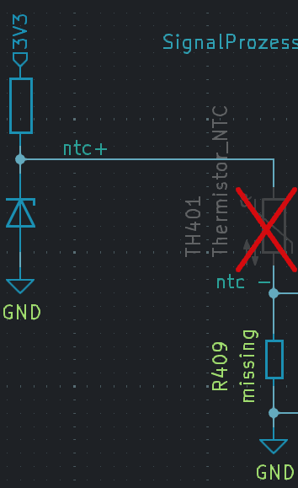
 |  |  | 20 | 0.86662462746
 |  |  | 25 | 1.0132450331
 |  |  | 30 | 1.1657013916
 |  |  | 35 | 1.3205090467
 |  |  | 40 | 1.4741986258
 |  |  | 45 | 1.6236084919
 |  |  | 50 | 1.7661049273
 |  |  | 55 | 1.8997056668
 |  |  | 60 | 2.0231073597
 |  |  | 65 | 2.1356361372
 |  |  | 70 | 2.2371490909
 |  |  | 80 | 2.4084892936
 |  |  | 100 | 2.6447989741
 |  |  | 150 | 2.8898397681
 |  |  | 200 | 2.958231751
 |  |  | 250 | 2.981150021
 |  |  | 300 | 2.9902586173

Signal Prozessing

 | Constans |  |  |  |  | Temperature | Voltage | Imax | 0 | mA
 | Gain | 2 | Vairables |  |  | 0 | 0.27329390741 | I at 30°C | 0 | mA
 | Voff | 0.27 | R3 | 102000.00538 |  | 5 | 0.48889771039 | d(mV)/dT at 30°C | 67.477589405 | mV/°C
 | VCC (ntc+) | 3 | R4 | 11960.785 |  | 10 | 0.73608041738 | mV/ADCstep | 0.732421875 | mV
 | R1 | 5100 |  |  |  | 15 | 1.012755992 | minTempResoltion at 30°C | 0.010854298167 | °C
 | R2 | 10000 |  |  |  | 20 | 1.3149404277
 | ADC Resul [bit] | 12 |  |  |  | 25 | 1.6369303482
 | ADC Vref | 3 |  |  |  | 30 | 1.9717364793
 |  |  |  |  |  | 35 | 2.3117062422
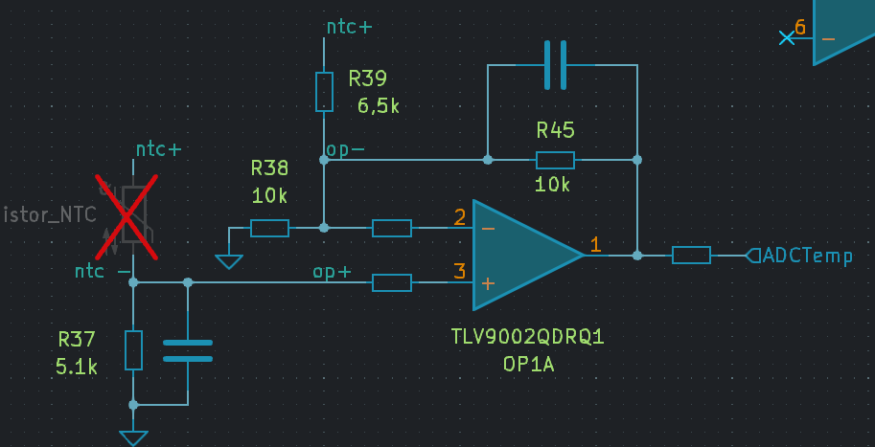
 |  |  |  |  |  | 40 | 2.6492206225
 |  |  |  |  |  | 45 | 2.9773364173
 |  |  |  |  |  | 50 | 3.2902697752
 |  |  |  |  |  | 55 | 3.5836674869
 |  |  |  |  |  | 60 | 3.8546672915
 |  |  |  |  |  | 65 | 4.1017893206
 |  |  |  |  |  | 70 | 4.3247197356
 |  |  |  |  |  | 80 | 4.7009962709
 |  |  |  |  |  | 100 | 5.2199508795
 |  |  |  |  |  | 150 | 5.7580796989
 |  |  |  |  |  | 200 | 5.9082738622
 |  |  |  |  |  | 250 | 5.9586041822
 |  |  |  |  |  | 300 | 5.9786073745

